test2 en
KAWASAKI (T-Controller) CDW Program Guidelines |  |  |  |  |  |  |  | △ 1 Correspondence to vehicle type matching 2020.5.2 Okazaki

 | Operation Diagram |  |  |  |  |  | Program List
pg0 | ※* Detailed rules for origin pro and signal input / output conform to RSW pro. This only describes the differences from RSW
 | 【 HP ～ Awaiting second startup 】 |  |  |  |  |  |  | .PROGRAM pg0();
 | pg0 |  |  |  |  |  |  | Step | Interp. | Speed | Acc | Timer | Tool | Work | Clamp | Weld Point Info | J/E | OX | WX | Remarks
 |  |  |  |  |  |  |  | 1 | FN99[ "CDW Home Program" ] |  |  |  |  |  |  | Comment |  |  |  | Make sure to leave a comment in PG
 |  | ※* The robot receives the first startup signal and confirms the original position of all guns before it starts moving. |  |  |  |  |  | 2 | FN99["Date 20XX/XX/XX"] |  |  |  |  |  |  | Comment |  |  |  | PG first and final STEP are "each axis"
JUMP Program
(Vehicle model confirmation)
Awaiting first startup
Same position
 |  |  |  |  |  |  |  | 3 | JOINT | 0 | 1 | 0 | 1 |  |  |  |  | 0 |  | Set the speed to ０
HP
HP
 |  |  |  |  |  |  |  | 4 | JOINT | 9 | 1 | 0 | 1 |  |  |  |  |  | 64 | Awaiting first startup
 |  |  |  |  |  |  |  | 5 | JOINT | 9 | 1 | 0 | 1 |  |  |  |  | 65 |  | Non-interfering output to jig
First startup
 |  |  |  |  |  |  |  | 6 | JOINT | 9 | 1 | 0 | 1 |  |  |  |  | 48,-123,124 | 48,124 | Confirm home position of gun and return of hammering device.
Confirm gun at home position
Confirm hammering device return
 |  |  |  |  |  |  |  | 7 | JOINT | 9 | 2 | 0 | 1
 |  |  |  |  |  |  |  | 8 | JOINT | 9 | 1 | 0 | 1 |  | J |  |  |  |  | 2nd start position, jump to Work Pro
Welding Operation
HP
 |  |  |  |  |  |  |  | 9 | JOINT | 9 | 2 | 0 | 1
Same Position
 |  |  |  |  |  |  |  | 10 | JOINT | 9 | 0 | 0 | 1 |  |  |  |  | 0 |  | The point to reset the signal is accuracy "0"
2nd startup (weld OK)
Job Finish
Awaiting first startup
 |  |  |  |  |  |  |  | 11 | JOINT | 0 | 1 | 0 | 1 |  |  |  |  | 95 | 64 | When operating signals at the same point, set the speed to "0".
 |  |  |  |  |  |  |  | 12 | JOINT | 0 | 1 | 0 | 1 |  |  |  | E

While outputting OX96, OX170-OX175
and WX169 are used as vehicle type
matching signals.
OX170 to OX175 are set to output binary
and output the same number as the
work program No.
pg1
 | 【 Second Startup Standby ～ HP 】 |  |  |  |  |  |  | .PROGRAM pg〇〇() ;
 |  |  |  |  |  |  |  | Step | Interp. | Speed | Acc | Timer | Tool | Work | Clamp | Weld Point Info | J/E | OX | WX | Remarks
 |  |  |  |  |  |  |  | 1 | FN99[ "JXX CDW Program" ] |  |  |  |  |  |  | Comment
 |  |  |  |  |  |  |  | 2 | FN99["Date 20XX/XX/XX"] |  |  |  |  |  |  | Comment |  |  |  | Since it is the beginning of the PG, signal reset, speed and accuracy are "0", "1" and necessary signals are also output.
Same Position
 |  |  |  |  |  |  |  | 3 | JOINT | 0 | 1 | 0 | 1 |  |  |  |  | 0,65
 |  |  |  |  |  |  |  | 4 | JOINT | 9 | 1 | 0 | 1 |  |  |  |  | 48,-123,124,96,170 | 48,124,169
JUMP Program
(Vehicle model confirmation)
Awaiting 1st startup
 |  |  |  |  |  |  |  | 5 | FN80[100] |  |  |  |  |  |  |  |  |  |  | Call vehicle type matching signal reset program
HP
Weld Operation
HP
HP
 |  |  |  |  |  |  |  | 6 | FN99["Weld OK"]
Same Position
 |  |  |  |  |  |  |  | 7 | JOINT | 9 | 2 | 0 | 1 | 0 |  |  |  | 65,-65 | 65 | Awaiting third startup（Weld OK）
First startup
Confirm gun at original position
Confirm hammering device return
 |  |  |  |  |  |  |  | 8 | FN80[100] |  |  |  |  |  |  |  |  |  |  | Call vehicle type matching signal reset program
 |  |  |  |  |  |  |  | 9 | JOINT | 9 | 2 | 0 | 1 | 0 |  |  |  | 96,170 | 169 | Confirm that the start command model and the start program number match.
It takes about 0.5 sec for the gun selection and weld schedule output signal to reach the robot.
Because of this, we always leave the weld schedule outputs set.
In order to ensure that the previous schedule was reset, make sure to enter the OFF command of the BCD signal which will not allow it to turn on.
 |  |  |  |  |  |  |  | 10 | FN80[100] |  |  |  |  |  |  |  |  |  |  | Call vehicle type matching signal reset program
 |  |  |  |  |  |  |  |  | ※* For stationary use, use the stabilizing tool before
Job Finish
 |  |  |  |  |  |  |  |  | supplying work to the gun.
3rd startup
(weld OK)
Awaiting 1st startup

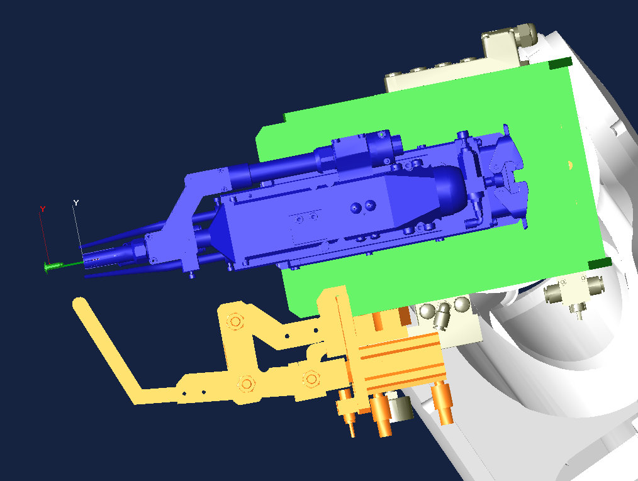
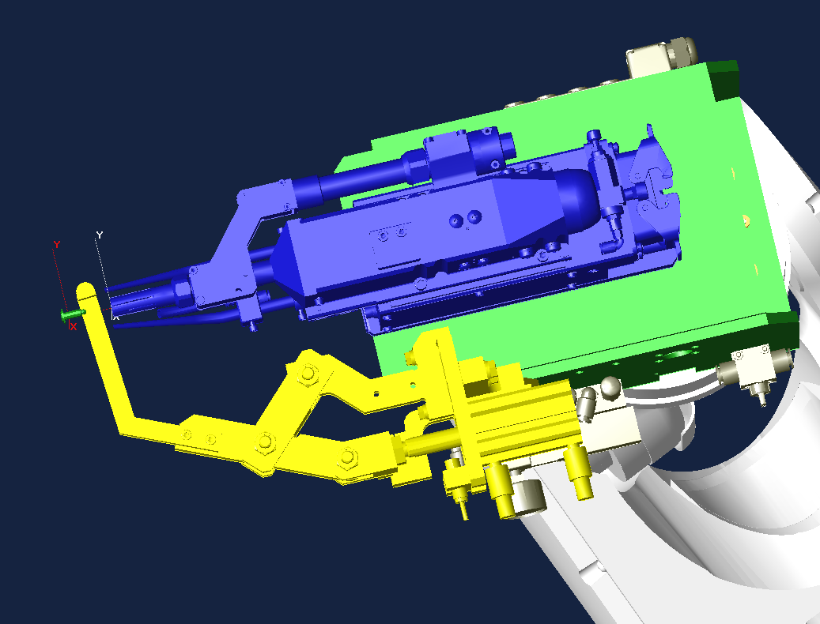
 |  |  |  |  |  |  |  | 11 | JOINT | 9 | 2 | 0 | 1 | 0
 |  |  |  |  |  |  |  | 12 | FN99["Weld_point No1"] |  |  |  |  |  |  |  |  |  |  | Add a comment so that you can see where the condition is output
 |  |  | STEP 15（Before Weld Point） |  | STEP 16～17（Weld Point Position） | STEP 18～21（Hammering Position） |  | 13 | JOINT | 9 | 2 | 0 | 1 | 0 |  |  |  | -34,-35,-36,-37,-46,-47 |  | Perform schedule reset
Keep enough distance so that the hammering device won't hit during transfer (at least around 40mm)
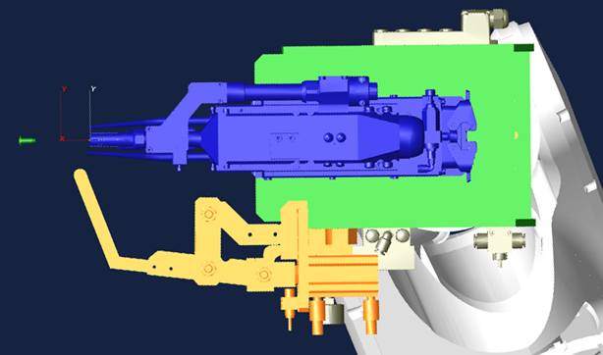
Pressurize at a distance of about 35-40 mm (Pressurization position is specified in the gun drawing)
 |  |  |  |  |  | ※Adjust the device so that you can check the weld point position as much as possible. |  | 14 | JOINT | 9 | 2 | 0 | 1 | 0 |  |  |  | 34,-35,-36,-37,46,-47 | 34,46 | Weld schedule output
 |  |  |  |  |  |  |  | 15 | LINEAR | 9 | 1 | 0 | 1 | 0 |  |  |  | 48,-123,124 | 48,124 | Confirmation of gun open end and hammer return before weld point
Same Position
 |  |  |  |  |  |  |  | 16 | LINEAR | 9 | 1 | 0 | 1 | 0 | 1 |  |  |  |  | Weld point
 |  |  |  |  |  |  |  | 17 | LINEAR | 0 | 1 | 0 | 1 | 0 |  |  |  | 48,-123,124 | 48,124 | Confirm hammer return, gun open end after weld point
Same Position
 |  |  |  |  |  |  |  | 18 | LINEAR | 9 | 1 | 0 | 1 | 0 |  |  |  | -123,-124 |  | Hammering device command reset
 |  |  |  |  |  |  |  | 19 | LINEAR | 0 | 1 | 0 | 1 | 0 |  |  |  | 123,-123,-124 | 123 | Hammering device out
 |  |  |  |  |  |  |  | 20 | LINEAR | 0 | 1 | 0 | 1 | 0 |  |  |  | -123,-124 |  | Hammering device command reset
 |  |  |  |  |  |  |  | 21 | LINEAR | 0 | 1 | 0 | 1 | 0 |  |  |  | -123,124 | 124 | Hammering device out

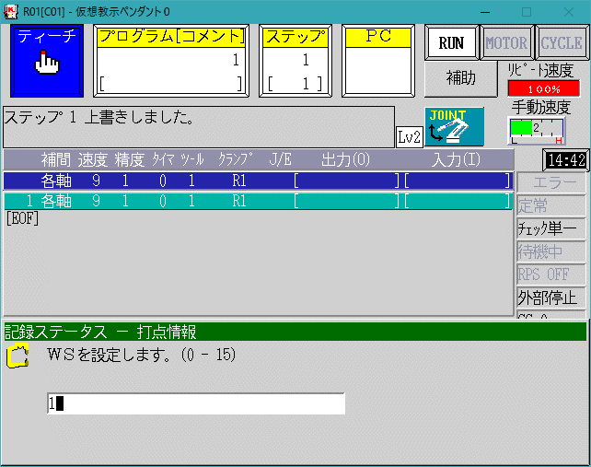
 |  |  |  |  |  | If the hammering device has been ON for a set period of time,
 |  |  |  |  |  | it is considered "OK". |  | 22 | JOINT | 9 | 1 | 0 | 1 | 0
 |  |  |  |  |  | In the case of NG, the line will stop for weld abnormality |  | 23 | JOINT | 9 | 2 | 0 | 1 | 0 |  |  |  | -64

 |  |  |  |  |  |  |  | 24 | FN99["Work complete"]
 |  |  |  |  |  |  |  | 25 | JOINT | 9 | 2 | 0 | 1 | 0 |  |  |  | 64 |  | Work complete output
Work completed output position
Output at the position moved to after hammering completion
 |  |  |  | ※ Use the air gun setting for the gun.
 |  |  |  | For the Clamp command:
 |  |  |  | Enter WS: 0, CC: Same number as Gun Number, OC: O (Release)

 |  |  |  |  |  |  |  | 26 | JOINT | 9 | 2 | 0 | 1 | 0 |  |  |  | -64,-65
 |  |  |  |  |  |  |  | 27 | FN99["Non-interfering signal output"]
 |  |  |  |  |  |  |  | 28 | JOINT | 9 | 2 | 0 | 1 | 0 |  |  |  | 65 |  | Non-interfering signal output
Same position
 |  |  |  |  |  |  |  | 29 | JOINT | 9 | 0 | 0 | 1 |  |  |  |  | 0 |  | The point to reset the signal is accuracy "0"
 |  |  |  |  |  |  |  | 30 | JOINT | 0 | 1 | 0 | 1 |  |  |  |  |  | 64 | When operating signals at the same point, set the speed to "0".
 |  |  |  |  |  |  |  | 31 | JOINT | 0 | 1 | 0 | 1 |  |  |  | E | 95

test3 en
ROBOT RUNNING LIST |  |  |  |  |  |  |  |  |  |  |  |  |  | 【Application：Stud】 |  |  |  |  |  |  |  |  |  |  |  | 1 | / | 4
Program List |  |  |  |  |  |  |  |  |  | Machine Numbers : |  |  |  |  |  |  |  | Input process machine number

Model |  |  | Program |  | Contents |  |  |  |  |  |  | BCD |  | Model |  |  | Program |  |  | Contents |  |  |  |  |  |  | BCD
 |  |  | 0 |  | Origin program |  |  |  |  |  |  | -
 |  |  | 80 |  | Tip correction |  |  |  |  |  |  | -

Model selection setting list |  |  |  |  |  |  |  |  |  |  |  |  |  |  |  |  |  |  |  |  |  |  |  |  |  |  | R * is the in-board robot number
 |  |  | Program No. |  | Program No. |  |  | Program No. |  | Program No. |  |  | Program No. |  |  | Program No. |  |  | Program No. |  | Program No. |  |  | Program No. |  |  | Program No.
 | Model |  | R1 | Model | R1 | Model |  | R1 | Model | R1 | Model |  | R1 | Model |  | R1 | Model |  | R1 | Model | R1 | Model |  | R1 | Model |  | R1
 | ０１ |  | - | １１ | - | ２１ |  | - | ３１ | - | ４１ |  | - | ５１ |  | - | ６１ |  | - | ７１ | - | ８１ |  | - | ９１ |  | -
 | ０２ |  | - | １２ | - | ２２ |  | - | ３２ | - | ４２ |  | - | ５２ |  | - | ６２ |  | - | ７２ | - | ８２ |  | - | ９２ |  | -
 | ０３ |  | - | １３ | - | ２３ |  | - | ３３ | - | ４３ |  | - | ５３ |  | - | ６３ |  | - | ７３ | - | ８３ |  | - | ９３ |  | -
 | ０４ |  | - | １４ | - | ２４ |  | - | ３４ | - | ４４ |  | - | ５４ |  | - | ６４ |  | - | ７４ | - | ８４ |  | - | ９４ |  | -
 | ０５ |  | - | １５ | - | ２５ |  | - | ３５ | - | ４５ |  | - | ５５ |  | - | ６５ |  | - | ７５ | - | ８５ |  | - | ９５ |  | -
 | ０６ |  | - | １６ | - | ２６ |  | - | ３６ | - | ４６ |  | - | ５６ |  | - | ６６ |  | - | ７６ | - | ８６ |  | - | ９６ |  | -
 | ０７ |  | - | １７ | - | ２７ |  | - | ３７ | - | ４７ |  | - | ５７ |  | - | ６７ |  | - | ７７ | - | ８７ |  | - | ９７ |  | -
 | ０８ |  | - | １８ | - | ２８ |  | - | ３８ | - | ４８ |  | - | ５８ |  | - | ６８ |  | - | ７８ | - | ８８ |  | - | ９８ |  | -
 | ０９ |  | - | １９ | - | ２９ |  | - | ３９ | - | ４９ |  | - | ５９ |  | - | ６９ |  | - | ７９ | - | ８９ |  | - | ９９ |  | -
 | １０ |  | - | ２０ | - | ３０ |  | - | ４０ | - | ５０ |  | - | ６０ |  | - | ７０ |  | - | ８０ | - | ９０ |  | - |  |  | -

Input / output table
Out. | Contents |  |  |  |  |  | Out. | Contents |  |  |  |  |  | Out. | Contents |  |  |  |  |  | Out. | Contents
O0 | All output reset
O33 | Matehan motor brake lock command |  |  |  |  |  | O65 | Jig interlock 01 |  |  |  |  |  | I 33 | Axis locked |  |  |  |  |  | I 65 | Jig interlock 01
O34 | Weld schedule selection 1 / stud |  |  |  |  |  | O66 | Jig interlock 02 |  |  |  |  |  | I 34 | Weld schedule selection 1 answer-back / stud |  |  |  |  |  | I 66 | Jig interlock 02
O35 | Weld schedule selection 2 / stud |  |  |  |  |  | O67 | Jig interlock 03 |  |  |  |  |  | I 35 | Weld schedule selection 2 answer-back / stud |  |  |  |  |  | I 67 | Jig interlock 03
O36 | Weld schedule selection 4 / stud |  |  |  |  |  | O68 | Jig interlock 04 |  |  |  |  |  | I 36 | Weld schedule selection 4 answer-back / stud |  |  |  |  |  | I 68 | Jig interlock 04
O37 | Weld schedule selection 8 / stud |  |  |  |  |  | O69 | Jig interlock 05 |  |  |  |  |  | I 37 | Weld schedule selection 8 answer-back / stud |  |  |  |  |  | I 69 | Jig interlock 05
O38 | Normal tip correction reset |  |  |  |  |  | O70 | Pre-process non-interference |  |  |  |  |  | I 38 | Normal tip correction selection |  |  |  |  |  | I 70 | Entry OK from pre-process
O39 | Internal leak detection |  |  |  |  |  | O71 | Post-process non-interference |  |  |  |  |  | I 39 |  |  |  |  |  |  | I 71 | Entry OK from post-process
O40 | No work Abnormal/invalid |  |  |  |  |  | O72 | Removal complete |  |  |  |  |  | I 40 | No work in material handling |  |  |  |  |  | I 72 | Jig interlock 08
O41 | Work confirmation check 1 |  |  |  |  |  | O73 | Placement complete |  |  |  |  |  | I 41 | Work confirmation 1 |  |  |  |  |  | I 73 | Work confirmation from the post-process
O42 | Work confirmation check 2 |  |  |  |  |  | O74 | Jig clamp command |  |  |  |  |  | I 42 | Work confirmation 2 |  |  |  |  |  | I 74 | Jig clamp confirmation
O43 | Work confirmation check 3 |  |  |  |  |  | O75 | Outside interference during shaping |  |  |  |  |  | I 43 | Work confirmation 3 |  |  |  |  |  | I 75 | Jig interlock 11
O44 | Work confirmation check 4 |  |  |  |  |  | O76 | Jig unclamp command |  |  |  |  |  | I 44 | Work confirmation 4 |  |  |  |  |  | I 76 | Jig unclamp confirmation
O45 | No feed / stud |  |  |  |  |  | O77 | Maintenance position |  |  |  |  |  | I 45 | For empty / stud |  |  |  |  |  | I 77 | Maintenance complete
O46 | Gun 1 selection / stud |  |  |  |  |  | O78 | Tip replacement position |  |  |  |  |  | I 46 | Gun 1 selection confirmation / stud |  |  |  |  |  | I 78 | Tip replacement standby
O47 | Gun 2 selection / stud |  |  |  |  |  | O79 | Nozzle cleaning position |  |  |  |  |  | I 47 | Gun 2 selection confirmation / stud |  |  |  |  |  | I 79 | Nozzle cleaning complete
O48 | All gun origin position check/stud |  |  |  |  |  | O80 | Entering another process |  |  |  |  |  | I 48 | All gun origin position/stud |  |  |  |  |  | I 80 | Tip replace instruction
O49 | Matehan Actuator 1 SOL-A |  |  |  |  |  | O81 | Bond / sealer inspection position |  |  |  |  |  | I 49 | Matehan Actuator 1 SOL-A confirm |  |  |  |  |  | I 81 | Bond / sealer inspection complete
O50 | Matehan Actuator 1 SOL-B |  |  |  |  |  | O82 | Jig Interlock 18 |  |  |  |  |  | I 50 | Matehan Actuator 1 SOL-B confirm |  |  |  |  |  | I 82 | Jig Interlock 18
O51 | Matehan Actuator 2 SOL-A |  |  |  |  |  | O83 | Jig Interlock 19 |  |  |  |  |  | I 51 | Matehan Actuator 2 SOL-A confirm |  |  |  |  |  | I 83 | Jig Interlock 19
O52 | Matehan Actuator 2 SOL-B |  |  |  |  |  | O84 | Jig Interlock 20 |  |  |  |  |  | I 52 | Matehan Actuator 2 SOL-B confirm |  |  |  |  |  | I 84 | Jig Interlock 20
O53 | Matehan Actuator 3 SOL-A |  |  |  |  |  | O85 | Work standby position |  |  |  |  |  | I 53 | Matehan Actuator 3 SOL-A confirm |  |  |  |  |  | I 85 | Work standby OK
O54 | Matehan Actuator 3 SOL-B |  |  |  |  |  | O86 | Jig Interlock 22 |  |  |  |  |  | I 54 | Matehan Actuator 3 SOL-B confirm |  |  |  |  |  | I 86 | Jig Interlock 22
O55 | Matehan Actuator 4 SOL-A |  |  |  |  |  | O87 | Jig Interlock 23 |  |  |  |  |  | I 55 | Matehan Actuator 4 SOL-A confirm |  |  |  |  |  | I 87 | Jig Interlock 23
O56 | Matehan Actuator 4 SOL-B |  |  |  |  |  | O88 | Jig Interlock 24 |  |  |  |  |  | I 56 | Matehan Actuator 4 SOL-B confirm |  |  |  |  |  | I 88 | Work standby position
O57 | Matehan Actuator 5 SOL-A |  |  |  |  |  | O89 | Jig Interlock 25 |  |  |  |  |  | I 57 | Matehan Actuator 5 SOL-A confirm |  |  |  |  |  | I 89 | Jig Interlock 25
O58 | Matehan Actuator 5 SOL-B |  |  |  |  |  | O90 | Jig Interlock 26 |  |  |  |  |  | I 58 | Matehan Actuator 5 SOL-B confirm |  |  |  |  |  | I 90 | Jig Interlock 26
O59 | Matehan Actuator 6 SOL-A |  |  |  |  |  | O91 | CUBIC-S TOOL ID 1 Select |  |  |  |  |  | I 59 | Matehan Actuator 6 SOL-A confirm |  |  |  |  |  | I 91 | Jig Interlock 27
O60 | Matehan Actuator 6 SOL-B |  |  |  |  |  | O92 | CUBIC-S TOOL ID 2 Select |  |  |  |  |  | I 60 | Matehan Actuator 6 SOL-B confirm |  |  |  |  |  | I 92 | Jig Interlock 28
O61 |  |  |  |  |  |  | O93 | CUBIC-S TOOL ID 4 Select |  |  |  |  |  | I 61 |  |  |  |  |  |  | I 93 | Jig Interlock 29
O62 | Spot assistance |  |  |  |  |  | O94 | CUBIC-S TOOL ID 8 Select |  |  |  |  |  | I 62 |  |  |  |  |  |  | I 94 | Jig Interlock 30
O63 | Standby Position |  |  |  |  |  | O95 | All-part startup permission position |  |  |  |  |  | I 63 |  |  |  |  |  |  | I 95 | Jig Interlock 31
O64 | Work complete |  |  |  |  |  | O96 | Model compare position (on program select) |  |  |  |  |  | I 64 | First startup |  |  |  |  |  | I 96 | Jig Interlock 32

Interlock details between robots
Output |  | Contents |  |  |  |  | Output |  | Contents |  |  |  |  | Output |  | Contents |  |  |  |  | Output |  | Contents
O1 |  | "Robot interlock 1st system # 1 to # 32 " |  |  |  |  | O401 |  | Robot Interlock With the previous process ＃1～＃32 |  |  |  |  | I1 |  | "Robot interlock 1st system # 1 to # 32 " |  |  |  |  | I401 |  | Robot Interlock With the previous process ＃1～＃32
～ |  |  |  |  |  |  | ～ |  |  |  |  |  |  | ～ |  |  |  |  |  |  | ～
O32 |  |  |  |  |  |  | O432 |  |  |  |  |  |  | I32 |  |  |  |  |  |  | I432
O201 |  | "Robot interlock 2nd system # 1 to # 32 " |  |  |  |  | O501 |  | Robot Interlock With the post-process ＃1～＃32 |  |  |  |  | I201 |  | "Robot interlock 2nd system # 1 to # 32 " |  |  |  |  | I501 |  | Robot Interlock With the post-process ＃1～＃32
～ |  |  |  |  |  |  | ～ |  |  |  |  |  |  | ～ |  |  |  |  |  |  | ～
O232 |  |  |  |  |  |  | O532 |  |  |  |  |  |  | I232 |  |  |  |  |  |  | I532
O301 |  | "Robot interlock 3rd system # 1 to # 32 " |  |  |  |  | O97 |  |  |  |  |  |  | I301 |  | "Robot interlock 3rd system # 1 to # 32 " |  |  |  |  | I97
～ |  |  |  |  |  |  | ～ |  |  |  |  |  |  | ～ |  |  |  |  |  |  | ～
O332 |  |  |  |  |  |  | O200 |  |  |  |  |  |  | I332 |  |  |  |  |  |  | I200
■
DO NOT USE The display on the left has no fixed area or communication allocation DO NOT USE

 |  |  |  |  |  |  | O111 |  | "Robot interlock 2nd system (Inside multi-con) " |  |  |  |  |  |  |  |  |  |  |  | I111 |  | "Robot interlock 2nd system (Inside multi-con) "）
 |  |  |  |  |  |  | ～ |  |  |  |  |  |  |  |  |  |  |  |  |  | ～
 |  |  |  |  |  |  | O164 |  |  |  |  |  |  |  |  |  |  |  |  |  | I164

